Key
KEY for the surveys

 |  |  |  |  |  |  |  |  |  | Region map

Benthic Survey (50m LIT) |  |  |  |  |  |  |  |  |  | 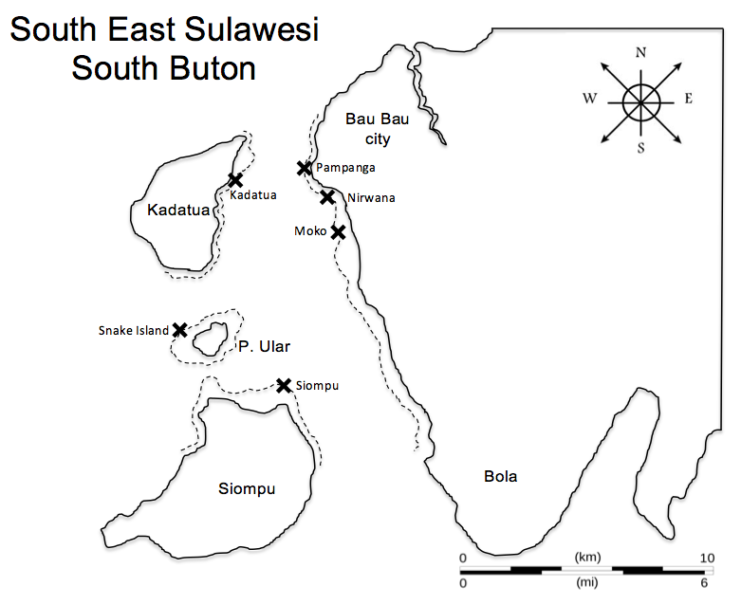

Abrv. | Benthic Substrate |  | Definition |  |  |  | Growth Form

HC | Hard Coral |  | HC: All living coral; includes fire, blue and organ pipe corals |  |  |  | Branching, Encrusting, Columnar, Tabulate, Massive, Mushroom, Foliose

SC | Soft Coral |  | SC: Include zoanthids but not anemones (OT)

DC | Dead Coral |  | DC: Coral that has died within the past year; appears bleached and white or with corallite structures still recognizable

AL | Algae |  | AL: Coralline, calcareous, turf etc..

SP | Sponge |  | SP: All erect and encrusting sponges (but no tunicates)

RC | Rock |  | RC: Any hard substrate; includes dead coral more than 1 yr old and may be covered by barnacles, etc.

RB | Rubble |  | RB: Reef rocks between 0.5 and 15cm in diameter

SD | Sand |  | SD: Sediment less than 0.5cm in diameter; in water, falls quickly to the bottom when dropped

OT | Other |  | OT: Any other sessile organism including sea anemones, tunicates, gorgonians or non-living substrate

GPS

 |  | Flat |  |  | Crest |  |  | Slope
 |  | Start | Depth (m) | Navigation | Start | Depth (m) | Navigation | Start | Depth (m) | Navigation
Sites | Pampanga | S 05° 31.855' | 2 | NW 160° | S 05° 31.865' | 6 | NW 160° | S 05° 31.864' | 13 | NW 160°
 |  | E 122° 34.275' |  |  | E 122° 34 243' |  |  | E 122°34.234'
 | Nirwana | S 05° 31.732' | 4 | NW 160° | S 05° 31.740' | 8 | NW 160° | S 05° 31.730' | 16 | NW 150°
 |  | E 122° 34.244' |  |  | E 122°34.197' |  |  | E 122° 34.177'
 | Moko | S 05° 31.559' | 4 | NW 130° | S 05° 31.451' | 8 | NW 120° | S 05° 31.474' | 17 | NW 120°
 |  | E 122° 33.491' |  |  | E 122° 33.976' |  |  | E 122° 33.841'
 | Kadatua | S 05° 31.351' | 5 | NW 120° | S 05° 31.384' | 9 | NW 140° | S 05° 31.362' | 16 | NW 180°
 |  | E 122° 33.892' |  |  | E 122° 33.873' |  |  | E 122° 33.841'
 | Snake Island | S 05° 31.203' | 3 | NW 110° | S 05° 31.278' | 7 | NW 110° | S 05° 31.293' | 17 | NW 110°
 |  | E 122° 33.992' |  |  | E 122° 33.674' |  |  | E 122° 33.675'
 | Siumpu | S 05° 31.413' | 3 | NW 110° | S 05° 31.408' | 7 | NW 110° | S 05° 31.454' | 15 | NW 110°
 |  | E 122° 33.432' |  |  | E 122° 33.424' |  |  | E 122° 33.525'

